Sample Worksheet
Image | Range Name | Grade | Stock Code | Gender | Total Free Stock
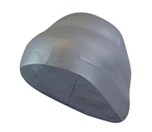 | NIKE SWIM CAP | A | 368861-070 | X | 2713
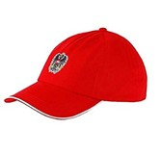 | PUMA (5) AUSTRIA CAP | A | 021010-13 | X | 2504
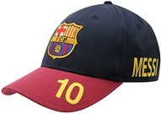 | OFFICIAL TEAM BB CAP JN00 BARCELONA CAP | A | 398012-14 | J | 2274
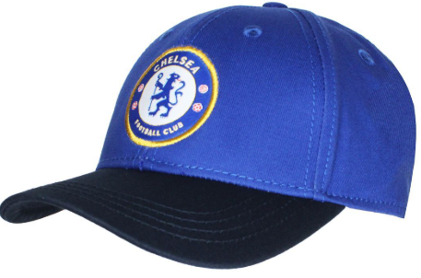 | OFFICIAL CHELSEA FC Team BB Cap Jn40 Che | A | 398012-01 | J | 1952
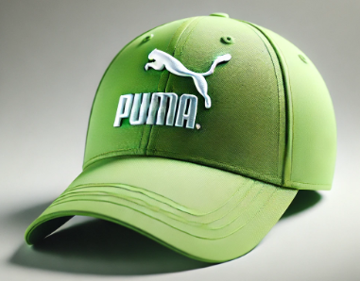 | PUMA UNISEX CAP | A | 840665-40 | X | 2100
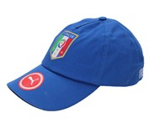 | PUMA (8) ITALIA TEAM TRAINING CAP | A | 021017-02 | X | 1296
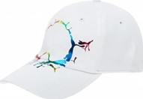 | PUMA CREST CAP | A | 842322-04 | X | 1260
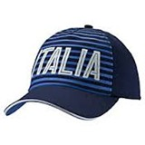 | PUMA (8) FANWEAR CAP | A | 021018-01 | X | 1006
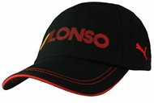 | PUMA ALONSO CAP | A | 761120-01 | X | 833
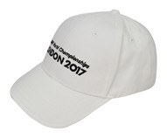 |  | ASICS IAAF CAP | 156189-0001 | X | 503
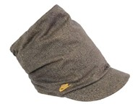 | NIKE DRAPY CAP UOM | A | 253086-291 | X | 473
 | ASICS IAAF CAP | A | 156189-0600 | X | 439
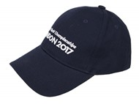 | ASICS IAAF CAP | A | 156189-0891 | X | 337
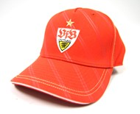 | PUMA (G) FAN CAP | A | 735999-22 | X | 300
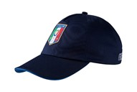 | PUMA (8) ITALIA TEAM TRAINING CAP | A | 021017-03 | X | 164
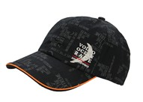 | PUMA JNR CAP | A | 841805-01 | J | 126
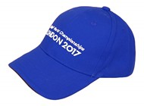 | ASICS (F) IAAF CAP | A | 156189-0843 | X | 89
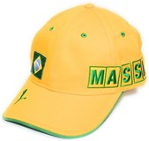 | PUMA BRAZIL CAP | A | 760515-01 | X | 75
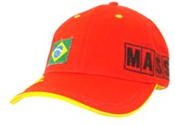 | PUMA BRAZIL CAP | A | 760515-02 | X | 70
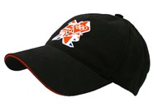 | ADIDAS CAP | A | W51721 | X | 68
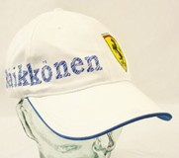 | PUMA FINLAND CAP | A | 760281-02 | X | 66
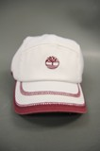 | TIMBERLAND W'S RECYCLED RUNNING CAP | A | C902H-502 | X | 65
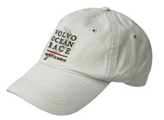 | PUMA CAP | A | 841802-02 | X | 61
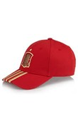 | ADIDAS FEF 3S CAP | A | D84238 | X | 57
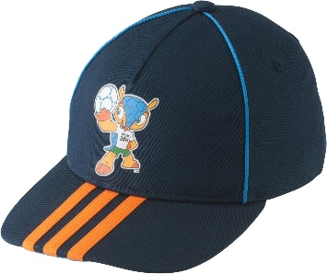 | ADIDAS TODDLER MASCOT CAP | A | D84375-TODDLER | X | 50
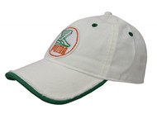 | PUMA (K) ORIGINALS GRAPHIC CAP | A | 842571-02 | X | 39
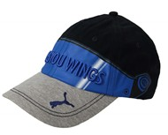 | PUMA GRAPHIC CAP | A | 554385-01 | X | 32
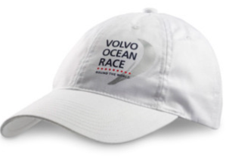 | PUMA GRAPHIC CAP | A | 841802-03 | X | 28
 |  |  |  |  | 18980

